Foglio1
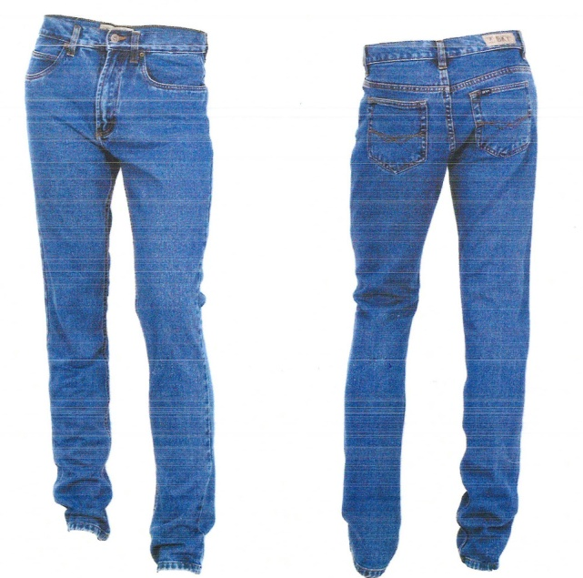
Jeans Man
100% Cotton | 48 | 50 | 52 | 54 | 56 | 58 | Pcs | Box | Pcs Total
 | 1 | 2 | 3 | 3 | 2 | 1 | 12 | 834 | 10008

